Sheet1
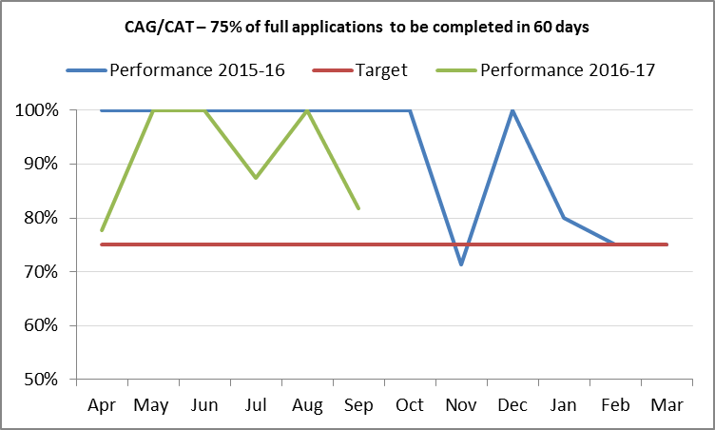
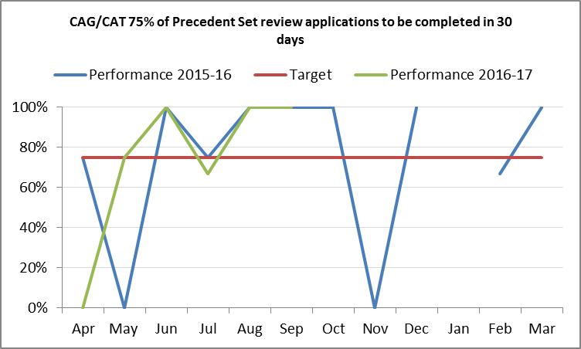
HRA KPIs, Quarter 1 - 4 2016 / 2017
Ref | Description | Owner | Schedule | Measure | Quarter 1 |  |  | Quarter 2 |  |  | Quarter 2
 | Operations and CAG |  |  |  | Apr-16 | May-16 | Jun-16 | Jul-16 | Aug-16 | Sep-16 | Comments (max 228 characters)
A1 | 95% of applications to full research ethics committee meetings to receive final decision within 60 calendar days (mandatory) FIG 1 | JK | Monthly | % | 99.4% | 100.0% | 99.7% | 99.7% | 99.0% | 100.0% | Excellent performance maintained
A2 | 95% of applications to full research ethics committee meetings to receive final decision within 40 calendar days (stretch target) FIG 2 | JK | Monthly | % | 87.9% | 93.3% | 89.5% | 85.9% | 89.0% | 89.5% | Good timelines. Diversion of resources to assist with amendment workload anticipated to have impact on stretch targets. Higher levels of leave in summer months and increased sickness absence.
A3 | 95% of applications to research ethics proportionate review service to receive decision within 14 calendar days FIG 3 | JK | Monthly | % | 81.0% | 85.7% | 92.3% | 87.8% | 90.2% | 89.2% | Diversion of resources to assist with amendment workload anticipated to have impact. Higher levels of leave in summer months and increased sickness absence. Bank Holiday in August.
A4 | 95% of amendments, on approved applications, submitted to research ethics committees to receive a decision within 28 calendar days (stretch target) FIG 4 | JK | Monthly | % | 92.8% | 91.2% | 90.7% | 91.8% | 89.9% | 90.1% | Good timelines. Diversion of resources to assist with amendment workload anticipated to have impact on stretch targets. Higher levels of leave in summer months and increased sickness absence.
A5 | 95% of amendments, on approved applications, submitted to research ethics committees to receive a decision within 35 calendar days (mandatory) FIG 5 | JK | Monthly | % | 99.2% | 99.3% | 98.7% | 99.3% | 97.7% | 97.9% | Excellent performance maintained
A6 | 100% of GTAC applications to be receive a decision in 60 days | JK | Monthly | % | N/A | 100.0% | 100.0% | 100.0% | 100.0% | 100.0% | Excellent performance maintained
A7 | CAG/CAT – 75% of full applications to be completed in 60 days FIG 6 | JM | Monthly | % | 77.8% | 100.0% | 100.0% | 87.5% | 100.0% | 81.8% | Exceptions due to members responding to non-active email address. Ongoing discussions with Chair/officials to discuss member handling of applicant follow-up responses.
A8 | CAG/CAT 75% of Precedent Set review applications to be completed in 30 days FIG 7 | JM | Monthly | % | 0.0% | 75.0% | 100.0% | 66.7% | 100.0% | 100.0%
A9 | CAG/CAT 75% of amendments to be completed in 30 days | JM | Monthly | % | N/A | 0.0% | 18.2% |  | 0.0% |  | New spreadsheet developed September 2016 to ensure recording issues prevented. Significant work required to re-populate previous amendment data. 1 amendment closed this month in 32 days. Delay caused as delay from lead official in concluding outcome. Discussions are taking place with officials regarding timeliness of responses.
A12 | Reduction in the number of Provisional Opinions at First Review | JK | Monthly | % | 63.3% | 63.1% | 58.8% | 57.9% | 63.2% | 61.2% | PR pilot etending timelines showing small but not significant reduction in provisional opinions
 | HRA Approval
A15 | Non-REC studies: Approved studies (non-REC) are approved in Median 15 days from date of application to the HRA to the date of approval. | JM | Monthly | Median 15 | 27 | 32 | 28 | 51 | 54 | 82 | Worsening figure in Q2 reflects impact of clearing backlog of amendments and pre-Approval, and focus on clinical studies. Case load management balances progressing new studies vs open studies.
A16 | REC-PR studies: Approved studies (REC-PR) are approved in median 10 days from date of additional REC conditions being met to date of approval. | JM | Monthly | Median 10 | 18 | 20 | 29 | 41 | 40 | 49 | Worsening figure in Q2 reflects impact of clearing backlog of amendments and pre-Approval, and focus on clinical studies. Case load management balances progressing new studies vs open studies.
A17 | Full-REC, non-Commercial studies (NC Full REC) Approval studies are approved in a median 25 days from the date of final REC Opinion additional REC conditions being met to the date of approval. | JM | Monthly | Median 25 | 8 | 13 | 18 | 26 | 33 | 31 | Although figures exceed KPIs, median timelines have reached plateau. Important to note that many of these studies would have had a significant time gap between REC and R&D applications, as well as gaps prior to SSI submission, as well as the R&D review process.
A18 | Full-REC, Commercial studies (C Full REC) Approval studies are approved in a median 10 days from the date of final REC Opinion additional REC conditions being met to the date of approval. | JM | Monthly | Median 10 | 10 | 6 | 8 | 13 | 19 | 15 | Although figures exceed KPIs, median timelines have reached plateau. Commercial applicants have historically made REC and R&D applications in closer sequence than non-commercial, but frequently reported delays in SSI submission by site staff, as well as the R&D review process.

Fig 2
Fig 3
Fig 1
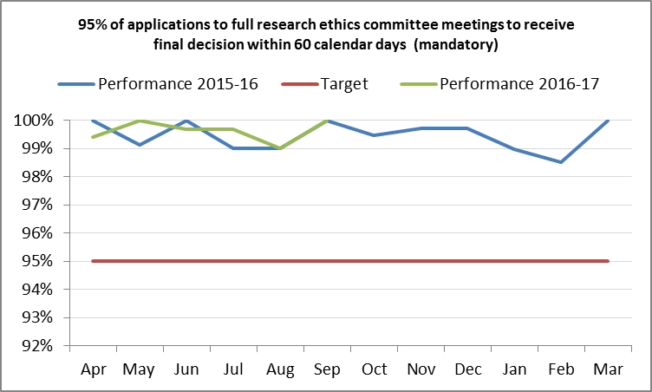
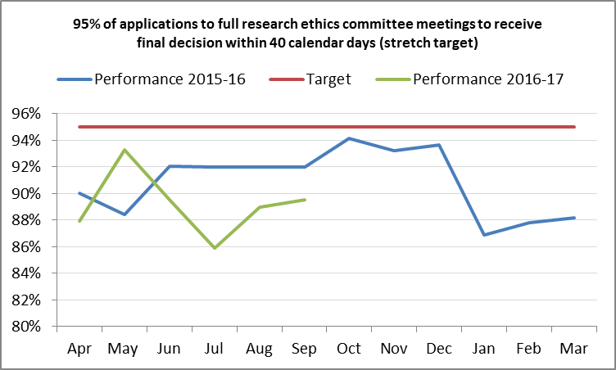
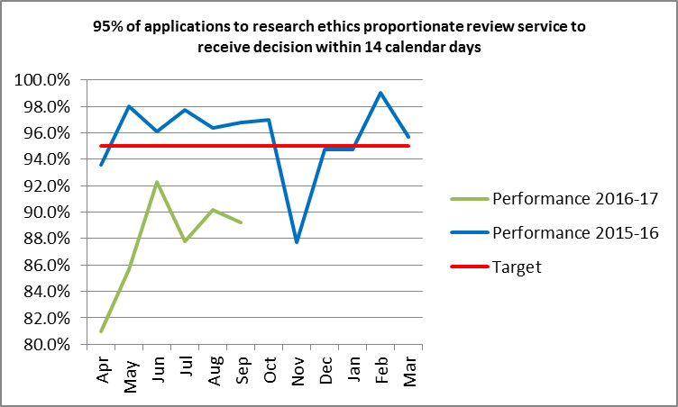

Fig 4
Fig 5
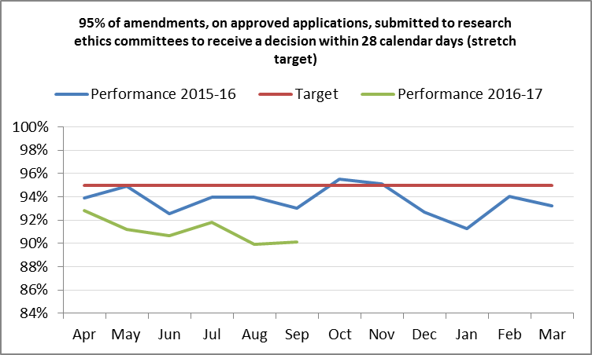
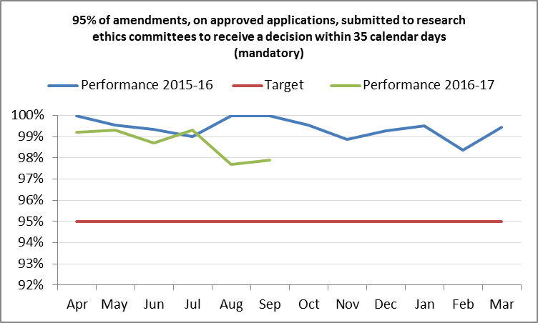

Fig 6
Fig 7

